Results
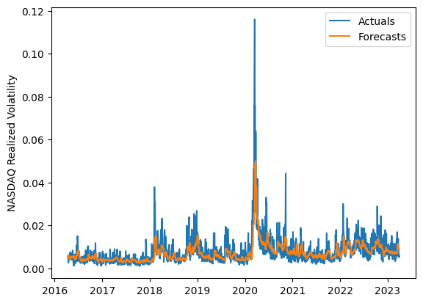
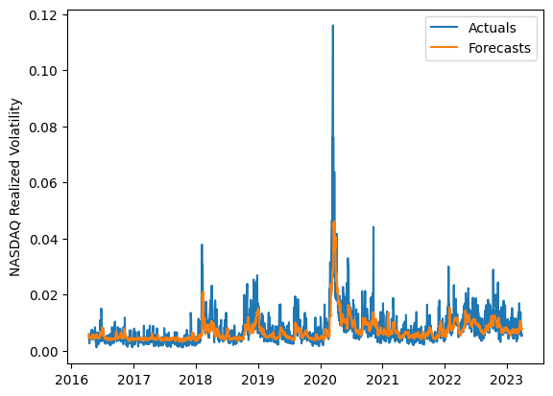
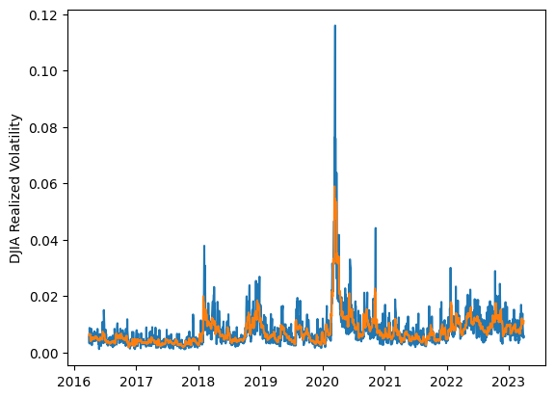
 | LSTM |  |  | TCN |  |  | NBEATSx |  |  |  |  | LSTM |  |  | TCN |  |  | NBEATSx
 | Accuracy | RMSE | Qlike | Accuracy | RMSE | Qlike | Accuracy | RMSE | Qlike |  |  | Accuracy | RMSE | Qlike | Accuracy | RMSE | Qlike | Accuracy | RMSE | Qlike
Trial 1 | 59.31% | 0.28% | 11.43% | 60.71% | 0.27% | 11.10% | 65.87% | 0.25% | 8.46% |  | Mean | 60.02% | 0.283% | 0.114 | 62.02% | 0.276% | 0.109 | 65.01% | 0.248% | 0.085
Trial 2 | 61.48% | 0.28% | 10.75% | 59.09% | 0.28% | 11.79% | 64.92% | 0.25% | 8.53% |  | Standard Deviation | 3.64% | 0.009% | 0.010 | 2.34% | 0.006% | 0.006 | 0.70% | 0.003% | 0.002
Trial 3 | 60.17% | 0.29% | 11.48% | 56.24% | 0.29% | 12.39% | 66.13% | 0.24% | 8.37% |  | 95% CI upper bound | 67.31% | 0.300% | 0.134 | 66.70% | 0.289% | 0.121 | 66.42% | 0.254% | 0.089
Trial 4 | 66.00% | 0.30% | 11.46% | 62.95% | 0.27% | 10.51% | 64.42% | 0.25% | 8.64% |  | 95% CI lower bound | 52.73% | 0.266% | 0.095 | 57.33% | 0.264% | 0.096 | 63.60% | 0.242% | 0.081
Trial 5 | 53.13% | 0.30% | 13.51% | 64.17% | 0.27% | 10.15% | 64.84% | 0.25% | 8.58% |  | 99.7% CI upper bound | 70.95% | 0.308% | 0.144 | 69.04% | 0.296% | 0.127 | 67.12% | 0.257% | 0.092
Trial 6 | 65.63% | 0.28% | 10.10% | 61.83% | 0.28% | 11.11% | 65.09% | 0.25% | 8.42% |  | 99.7% CI lower bound | 49.09% | 0.257% | 0.085 | 54.99% | 0.257% | 0.090 | 62.90% | 0.239% | 0.079
Trial 7 | 59.81% | 0.29% | 11.55% | 63.68% | 0.27% | 10.30% | 65.19% | 0.25% | 8.26%
Trial 8 | 56.70% | 0.29% | 12.19% | 65.58% | 0.29% | 10.31% | 63.87% | 0.25% | 8.71%
Trial 9 | 59.93% | 0.28% | 11.13% | 64.36% | 0.28% | 10.50% | 64.22% | 0.25% | 8.78%
Trial 10 | 61.58% | 0.27% | 10.66% | 62.07% | 0.27% | 10.73% | 64.47% | 0.25% | 8.26%
Trial 11 | 56.37% | 0.29% | 12.39% | 59.77% | 0.27% | 11.31% | 65.49% | 0.25% | 8.45%
Trial 12 | 60.80% | 0.27% | 10.89% | 62.47% | 0.27% | 10.64% | 64.21% | 0.25% | 9.06%
Trial 13 | 54.57% | 0.29% | 13.13% | 61.94% | 0.28% | 10.94% | 66.11% | 0.25% | 8.43%
Trial 14 | 62.38% | 0.27% | 10.42% | 63.14% | 0.27% | 10.33% | 65.44% | 0.25% | 8.32%
Trial 15 | 62.42% | 0.27% | 10.50% | 62.22% | 0.27% | 10.67% | 64.90% | 0.25% | 8.43%

 | LSTM (best trial) |  |  |  |  |  |  |  |  | TCN (best trial) |  |  |  |  |  |  |  |  | NBEATSx (best trial)

